D1
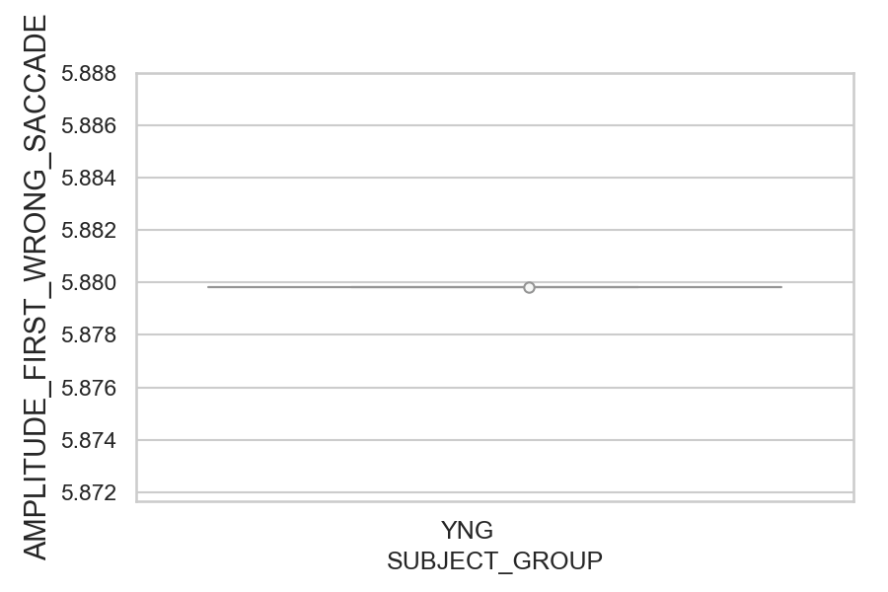
Amplitude of the wrong saccade (degrees) (mean of all trials per subject)
SUBJECT_NAME | SUBJECT_GROUP | SUBJECT_AGE | VALUE
MP1 | YNG |  | 5.8798385437
AW001CG | YNG | 19
AW002AF | YNG | 19

D1 (types)
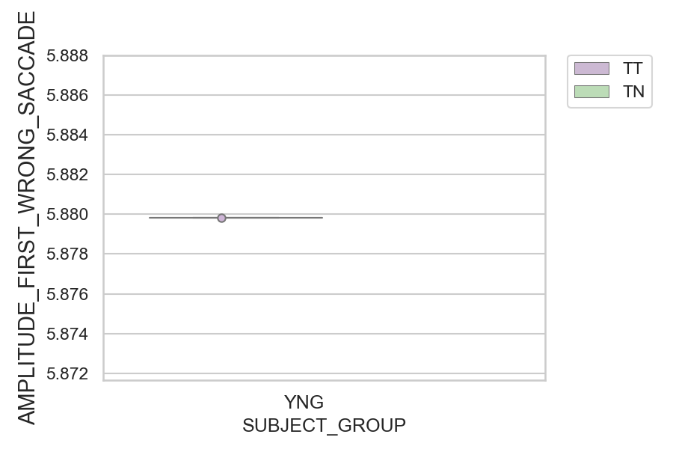
Amplitude of the wrong saccade (degrees) (mean of all trials per subject)
SUBJECT_NAME | SUBJECT_GROUP | CONDITION_APPEARANCE | SUBJECT_AGE | VALUE
MP1 | YNG | TT |  | 5.8798385437
AW001CG | YNG | TN | 19
AW001CG | YNG | TT | 19
AW002AF | YNG | TN | 19
AW002AF | YNG | TT | 19
MP1 | YNG | TN

